Main Menu
Main Menu
 | Select Risk Assessment Matrix (RAM)
 |  | Note: Use the "Main Menu" Button to return to this page

RAM 5x5

 | Instructions
 | Click on one of the Blue boxes above to select RAM 5x5. Next, enter up to 5 hazards in the "Hazard #" boxes. Review, Severity and Likelihood/Probability descriptions. Select Severity and Probability ranking from the drop down menu. The tool will automatically calculate "Risk Level". After that, click on Risk Reduction Hierarchy of Controls (HoC) button. Review the Hierarchy of Controls and Risk Reduction. Select the appropriate Severity Future State (FS) and Likelihood FS after the implementation of new controls. The form will automatically recalculate Risk Level Future State (FS) after the controls implementation. Finally, click on RAM FS button. The tool automatically calculates Risk Reduction and Residual Risk.

Developed by: Georgi Popov, Ph.D., QEP, SMS, CMC
SEPAS
University of Central Missouri
v. 1.0 / 3/23/18® 2018

RAM CS 5x5
Main Menu
Semi-Quantitative Risk (5x5) Matrix Example - Current State
 |  |  |  |  |  |  |  | 1
 | Hazard # | Hazard 1 | Hazard 2 | Hazard 3 | Hazard 4 | Hazard 5 |  | 2
 | Severity | 5 | 4 | 3 | 3 | 2 |  | 3
 | Likelihood | 5 | 4 | 4 | 2 | 2 |  | 4
 | Risk Level CS | 25 | 16 | 12 | 6 | 4 |  | 5

Risk Reduction HoC 5x5
Risk Matrix (adapted/modified from ANSI Z590.3)

 |  |  | Severity (S)
 |  |  | Insignificant (1) Inconsequential with respect to injuries or illnesses, system loss or downtime, or environmental release. | Negligible (2) First aid or minor medical treatment only, non-serious equipment or facility damage, chemical release requiring routine cleanup without reporting. | Marginal (3) Medical treatment or restricted work, minor subsystem loss or damage, chemical release triggering external reporting requirements. | Critical (4) Disabling injury or illness, major property damage and business downtime, chemical release with temporary environmental or public health impact. | Catastrophic (5) One or more fatalities, total system loss, chemical release with lasting environmental or public health impact.
 |  |  | 1 | 2 | 3 | 4 | 5
Likelihood (L) | Frequent (5) Likely to occur repeatedly. | 5 | 5 | 10 | 15 | 20 | 25
 | Likely (4) Probably will occur several times. | 4 | 4 | 8 | 12 | 16 | 20
 | Occasional (3) Could occur intermittently. | 3 | 3 | 6 | 9 | 12 | 15
 | Seldom (2) Could occur, but hardly ever. | 2 | 2 | 4 | 6 | 8 | 10
 | Unlikely (1) Improbable, may assume incident or exposure will not occur. | 1 | 1 | 2 | 3 | 4 | 5

Developed by: Georgi Popov, Ph.D., QEP
SEPAS
University of Central Missouri
v. 1.0 / 2/10/16 ® 2016

RR HoC 5x5
Main Menu
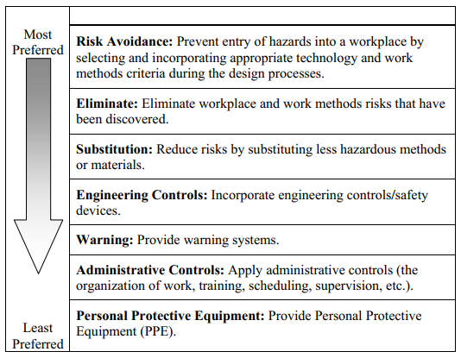
RISK REDUCTION AND THE HIERARCHY OF CONTROLS (HOC) |  |  |  |  |  |  |  | 0.1
 |  |  |  |  |  |  |  | 0.4
 | Hazard # | Hazard 1 | Hazard 2 | Hazard 3 | Hazard 4 | Hazard 5 |  | 0.6
 | Risk Level CS | 25 | 16 | 12 | 6 | 4 |  | 0.9
 | HoC | Eng. | Eng. | Sub. | Eliminate | Eliminate |  | 0.95
 | Severity FS | 5 | 4 | 3 | 3 | 2 |  | 0.7
 | Likelihood FS | 3 | 3 | 2 | 1 | 1 |  | 0.8
 | Risk Level FS | 15 | 12 | 6 | 3 | 2 |  | 1

RAM FS 5x5

Back to RAM 5x5 CS

 |  |  |  |  |  |  | Figure 1. Hierarchy of Controls - ANSI/ASSE Z 590.3, 2016 ®

Developed by: Georgi Popov, Ph.D., QEP
SEPAS
University of Central Missouri
v. 1.0 / 2/10/16 ® 2016

RAM FS 5x5
Main Menu
Semi-Quantitative Risk (5x5) Matrix Example - Future State

 | Hazard # | Hazard 1 | Hazard 2 | Hazard 3 | Hazard 4 | Hazard 5
 | Risk Level CS | 25 | 16 | 12 | 6 | 4
 | HoC | Eng. | Eng. | Sub. | Eliminate | Eliminate
 | Risk Level FS | 15 | 12 | 6 | 3 | 2
 | Risk Reduction | 40.00% | 25.00% | 50.00% | 50.00% | 50.00%
Back to RR 5x5 HoC
 | Residual Risk | 60.00% | 75.00% | 50.00% | 50.00% | 50.00%

Risk Matrix (adapted/modified from ANSI Z590.3)

 |  |  | Severity (S)
 |  |  | Insignificant (1) Inconsequential with respect to injuries or illnesses, system loss or downtime, or environmental release. | Negligible (2) First aid or minor medical treatment only, non-serious equipment or facility damage, chemical release requiring routine cleanup without reporting. | Marginal (3) Medical treatment or restricted work, minor subsystem loss or damage, chemical release triggering external reporting requirements. | Critical (4) Disabling injury or illness, major property damage and business downtime, chemical release with temporary environmental or public health impact. | Catastrophic (5) One or more fatalities, total system loss, chemical release with lasting environmental or public health impact.
 |  |  | 1 | 2 | 3 | 4 | 5
Likelihood (L) | Frequent (5) Likely to occur repeatedly. | 5 | 5 | 10 | 15 | 20 | 25
 | Likely (4) Probably will occur several times. | 4 | 4 | 8 | 12 | 16 | 20
 | Occasional (3) Could occur intermittently. | 3 | 3 | 6 | 9 | 12 | 15
 | Seldom (2) Could occur, but hardly ever. | 2 | 2 | 4 | 6 | 8 | 10
 | Unlikely (1) Improbable, may assume incident or exposure will not occur. | 1 | 1 | 2 | 3 | 4 | 5

Developed by: Georgi Popov, Ph.D., QEP
SEPAS
University of Central Missouri
v. 1.0 / 2/10/16 ® 2016

